Application Q4
 |  | Please provide Information - See guide below, can be sent via separate E-mail.
4A | Ownership Chart

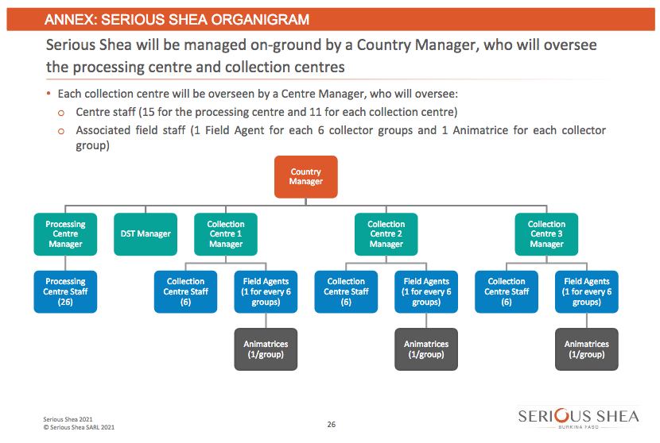
 | Organizational Chart

 | Key Relationship Chart

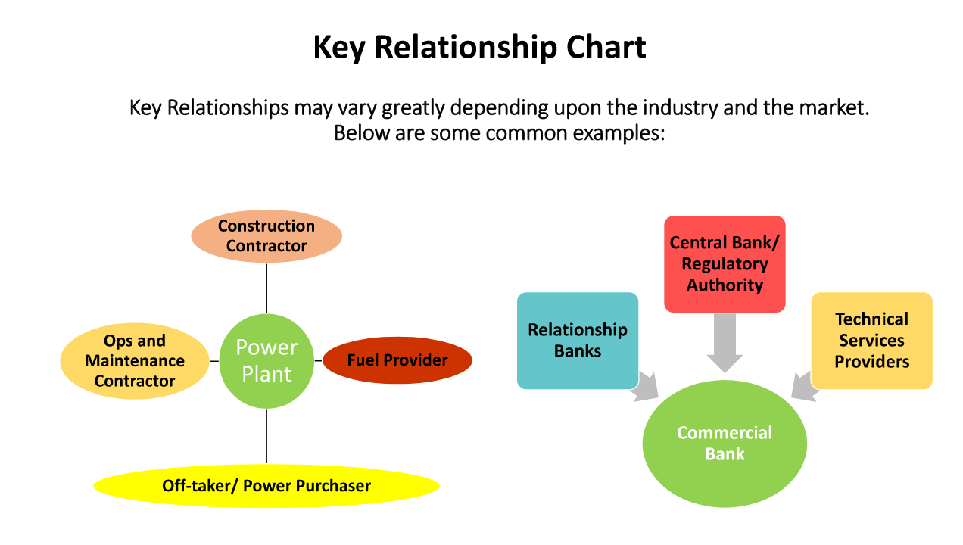

4B | Please list and provide requested information on each of the following types of entities/individuals. If an
 | entity/individual plays multiple roles in a transaction, only list them once and indicate their most
 | important/primary role:

 | • Each business entity/individual that owns 10% or more (either directly or indirectly) of the
 | Borrower/Investee/transaction.
 | • Each business entity/individual that does or intends to provide credit support (e.g. a guarantor)
 | • Each business entity/individual that does or will have a significant managerial relationship with the
 | Borrower/Investee/transaction (e.g. executives/directors).
 | • Each business entity/individual that does or will have a primary contractual relationship with the
 | Borrower/Investee (e.g. construction contractor, operations and maintenance contractor, hotel management
 | company, etc.)

Application Q8
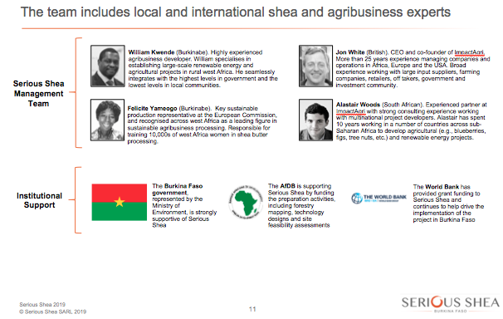
 |  | Please provide Information
8 | MANAGEMENT EXPERIENCE AND TRACK RECORD

 | Briefly describe relevant experience (in the sector, in the market, etc.) that the key parties (individually or as a team)
 | may contribute towards the success of the proposed transaction.

 | Please attach a document compiling CVs or other documentation that demonstrates this experience:

